TILC income
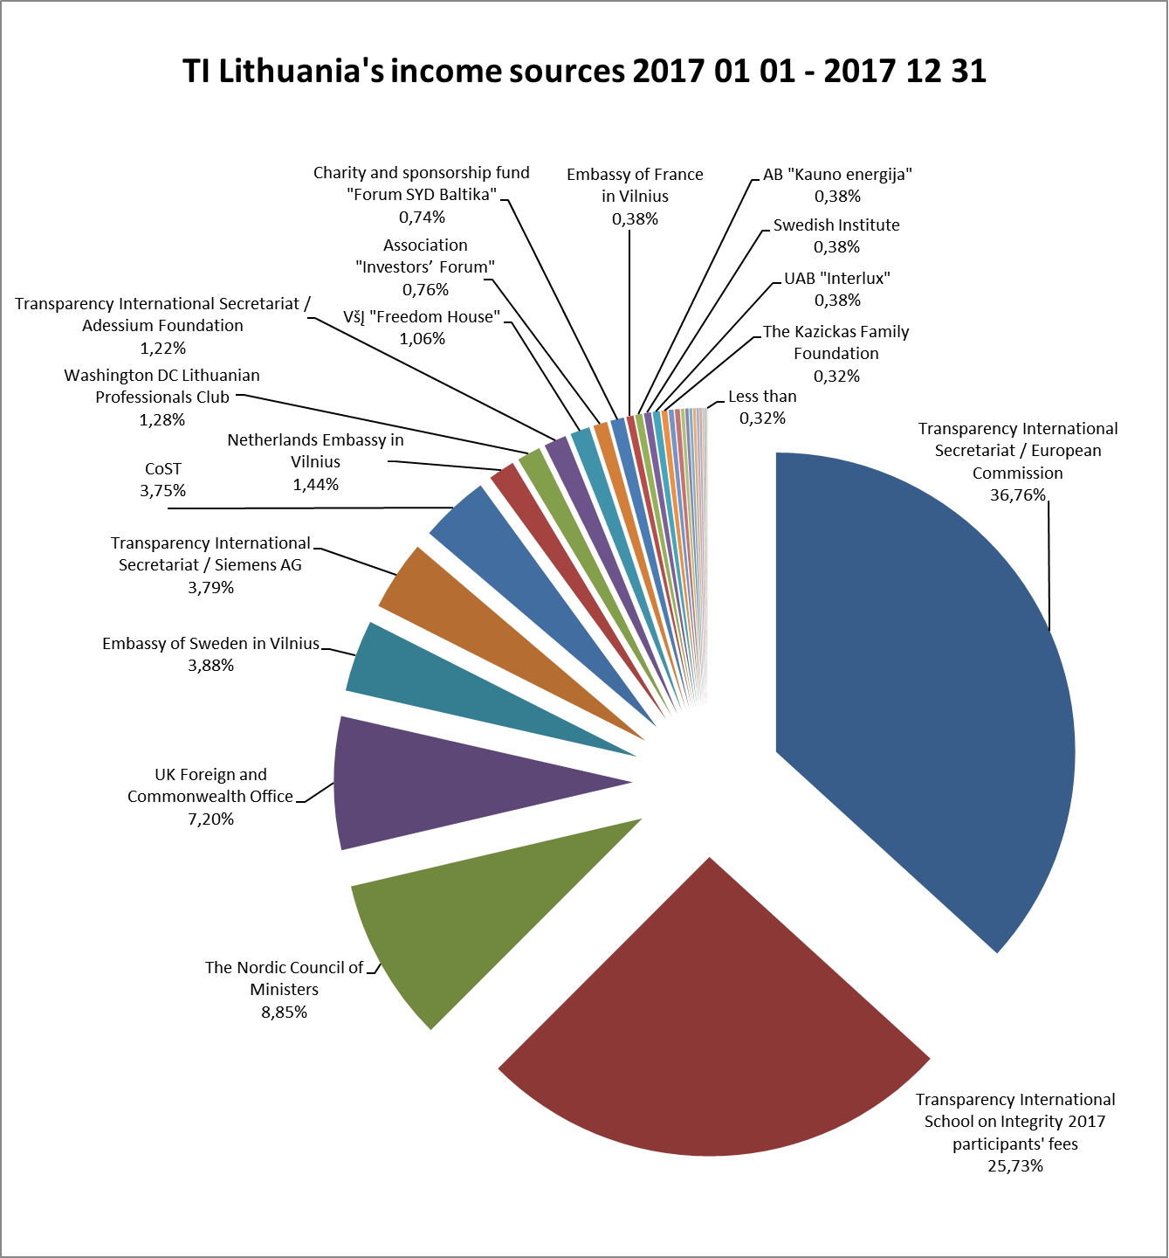

TI LITHUANIA'S INCOME SOURCES 2017 01 01 – 2017 12 31
 | Income, EUR | Percentage
PROJECT FUNDS
Transparency International Secretariat / European Commission | 97,063.73 | 36.76%
The Nordic Council of Ministers | 23,375.04 | 8.85%
Embassy of Sweden in Vilnius | 10,244.85 | 3.88%
Transparency International Secretariat / Siemens AG | 10,000.00 | 3.79%
Netherlands Embassy in Vilnius | 3,800.00 | 1.44%
Washington DC Lithuanian Professionals Club | 3,372.08 | 1.28%
Transparency International Secretariat / Adessium Foundation | 3,231.00 | 1.22%
Embassy of France in Vilnius | 1,000.00 | 0.38%
The Kazickas Family Foundation | 833.54 | 0.32%
The Nordic Council of Ministers Office in Lithuania | 700.00 | 0.27%
Subtotal: | 153,620.24 | 58.18%
NON-PROJECT FUNDS
Transparency International School on Integrity 2017 participants' fees | 67,939.23 | 25.73%
UK Foreign and Commonwealth Office | 19,020.98 | 7.20%
Construction Sector Transparency Initiative (CoST) / The UK Department for International Development and the Dutch Ministry of Foreign Affairs | 9,901.93 | 3.75%
VšĮ "Freedom House" | 2,800.00 | 1.06%
Association "Investors’ Forum" | 2,000.00 | 0.76%
Charity and sponsorship fund "Forum SYD Baltika" | 1,950.00 | 0.74%
AB "Kauno energija" | 1,000.00 | 0.38%
Swedish Institute | 1,000.00 | 0.38%
UAB "Interlux" | 1,000.00 | 0.38%
MB "Katsu" | 700.00 | 0.27%
Milieu Ltd. / European Commission | 500.00 | 0.19%
Other earned funds | 456.00 | 0.17%
VšĮ "The Center of Civic, Democracy and Law programs" | 419.30 | 0.16%
General Prosecutor's Office of the Republic of Lithuania / Ministry of Finance | 400.00 | 0.15%
Income tax donations | 351.66 | 0.13%
MB "Tai - tai" | 300.00 | 0.11%
Transparency International Latvia - DELNA | 200.00 | 0.08%
Lithuanian Bar Association | 150.00 | 0.06%
VšĮ "European Humanities University" | 150.00 | 0.06%
VšĮ "Eastern Europe Studies Centre" | 150.00 | 0.06%
Donations by physical persons | 45.95 | 0.02%
Subtotal: | 110,435.05 | 41.82%
Total: | 264,055.29

TILC income (detailed)
TI Lithuania's income sources 2017 01 01 - 2017 12 31

TI LITHUANIA'S INCOME SOURCES 2017 01 01 – 2017 12 31

 | Income, EUR | Percentage
Transparency International Secretariat / European Commission | 97,063.73 | 36.76%
Transparency International School on Integrity 2017 participants' fees | 67,939.23 | 25.73%
The Nordic Council of Ministers | 23,375.04 | 8.85%
UK Foreign and Commonwealth Office | 19,020.98 | 7.20%
Embassy of Sweden in Vilnius | 10,244.85 | 3.88%
Transparency International Secretariat / Siemens AG | 10,000.00 | 3.79%
Construction Sector Transparency Initiative (CoST) / The UK Department for International Development and the Dutch Ministry of Foreign Affairs | 9,901.93 | 3.75%
Netherlands Embassy in Vilnius | 3,800.00 | 1.44%
Washington DC Lithuanian Professionals Club | 3,372.08 | 1.28%
Transparency International Secretariat / Adessium Foundation | 3,231.00 | 1.22%
VšĮ "Freedom House" | 2,800.00 | 1.06%
Association "Investors’ Forum" | 2,000.00 | 0.76%
Charity and sponsorship fund "Forum SYD Baltika" | 1,950.00 | 0.74%
Embassy of France in Vilnius | 1,000.00 | 0.38%
AB "Kauno energija" | 1,000.00 | 0.38%
Swedish Institute | 1,000.00 | 0.38%
UAB "Interlux" | 1,000.00 | 0.38%
The Kazickas Family Foundation | 833.54 | 0.32%
The Nordic Council of Ministers Office in Lithuania | 700.00 | 0.27%
MB "Katsu" | 700.00 | 0.27%
Milieu Ltd. / European Commission | 500.00 | 0.19%
Other earned funds | 456.00 | 0.17%
VšĮ "The Center of Civic, Democracy and Law programs" | 419.30 | 0.16%
General Prosecutor's Office of the Republic of Lithuania / Ministry of Finance | 400.00 | 0.15%
Income tax donations | 351.66 | 0.13%
MB "Tai - tai" | 300.00 | 0.11%
Transparency International Latvia - DELNA | 200.00 | 0.08%
Lithuanian Bar Association | 150.00 | 0.06%
VšĮ "European Humanities University" | 150.00 | 0.06%
VšĮ "Eastern Europe Studies Centre" | 150.00 | 0.06%
Donations by physical persons | 45.95 | 0.02%
Total: | 264,055.29 | 100%

