Income 2020
TI LITHUANIA'S INCOME SOURCES 2020 01 01 - 2020 12 31

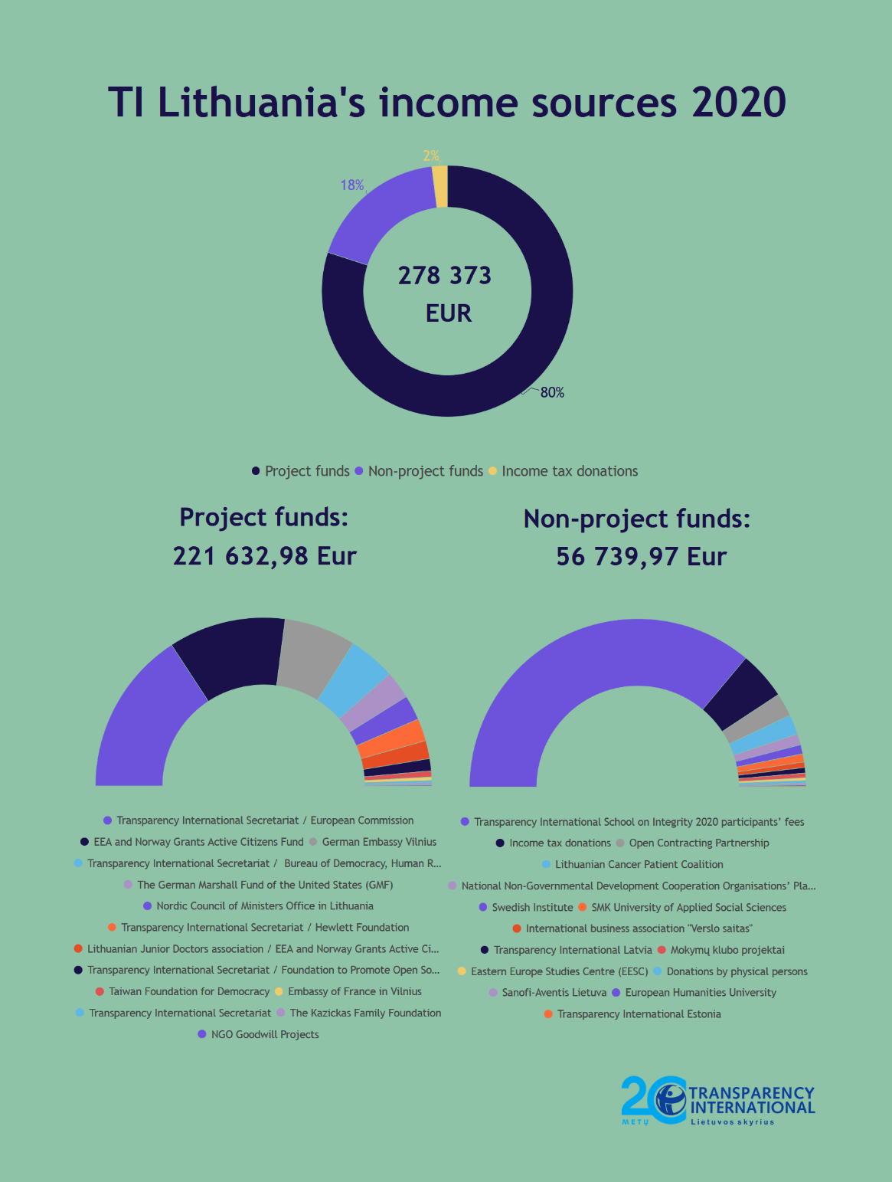
 | Income, EUR | Percentage
PROJECT FUNDS
Transparency International Secretariat / European Commission | 69,994.30 | 25.14%
EEA and Norway Grants Active Citizens Fund | 49,905.00 | 17.93%
German Embassy Vilnius | 30,500.00 | 10.96%
Transparency International Secretariat / Bureau of Democracy, Human Rights, and Labor (DRL), U.S. Department of State | 20,000.00 | 7.18%
The German Marshall Fund of the United States (GMF) | 11,833.72 | 4.25%
Nordic Council of Ministers Office in Lithuania | 10,625.00 | 3.82%
Transparency International Secretariat / Hewlett Foundation | 9,600.00 | 3.45%
Lithuanian Junior Doctors association / EEA and Norway Grants Active Citizens Fund | 7,676.00 | 2.76%
Transparency International Secretariat / Foundation to Promote Open Society (FPOS) | 5,180.00 | 1.86%
Taiwan Foundation for Democracy | 2,559.51 | 0.92%
Embassy of France in Vilnius | 1,500.00 | 0.54%
Transparency International Secretariat | 1,000.00 | 0.36%
The Kazickas Family Foundation | 899.69 | 0.32%
NGO Goodwill Projects | 359.76 | 0.13%
Subtotal: | 221,632.98 | 79.62%
NON-PROJECT FUNDS
Transparency International School on Integrity 2020 participants’ fees | 40,964.67 | 14.72%
Income tax donations | 5,263.76 | 1.89%
Open Contracting Partnership | 2,557.54 | 0.92%
Lithuanian Cancer Patient Coalition | 2,160.00 | 0.78%
National Non-Governmental Development Cooperation Organisations’ Platform | 1,200.00 | 0.43%
Swedish Institute | 1,000.00 | 0.36%
SMK University of Applied Social Sciences | 890.00 | 0.32%
International business association "Verslo saitas" | 600.00 | 0.22%
Transparency International Latvia | 600.00 | 0.22%
"Mokymų klubo projektai" | 500.00 | 0.18%
Eastern Europe Studies Centre (EESC) | 300.00 | 0.11%
Donations by physical persons | 274.00 | 0.10%
"Sanofi-Aventis Lietuva" | 200.00 | 0.07%
European Humanities University | 130.00 | 0.05%
Transparency International Estonia | 100.00 | 0.04%
Subtotal: | 56,739.97 | 20.38%
Total: | 278,372.95

